String Functions
SPLIT Function |  |  |  |  |  |  | Join Function |  |  |  |  |  | Proper Function
https://support.google.com/docs/answer/3094136 |  |  |  |  |  |  | https://support.google.com/docs/answer/3094077?hl=en |  |  |  |  |  | https://support.google.com/docs/answer/3094133?hl=en
cell_context | delimiter | Result |  |  |  | Formula | One-dimensional array in a row |  |  |  | Result | Formula | Input | Result | Formula
Google | o | G | gle |  |  | =SPLIT(A2, "o") | D | O | C | S | #NAME? | #NAME? | google docs | Google Docs | #NAME?
Google | oo | G | gle |  |  | =SPLIT(A3, "oo") | Separate | this | with | comma | #NAME? | #NAME? | gOOGLE docS | Google Docs | #NAME?
DmOnCmSn | mn | D | O | C | S | =SPLIT(A4, "mn") | Separate | this | with | spaces | #NAME? | #NAME? | googledocs | Googledocs | #NAME?
DmOnCmSn | mn | D | O | C | S | =SPLIT(A5, "mn", TRUE)
DmOnCmSn | mn | DmOnCmSn |  |  |  | =SPLIT(A6, "mn", FALSE)
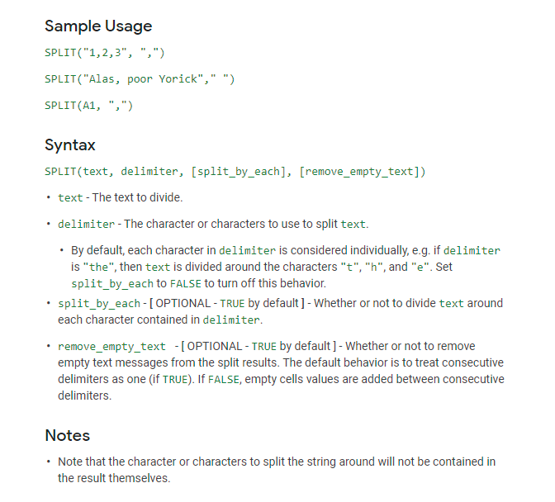
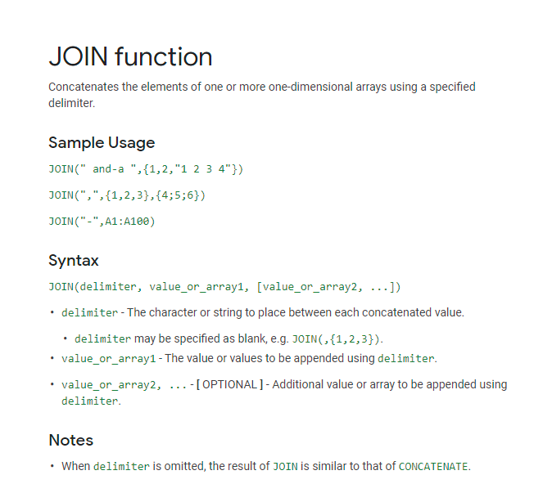
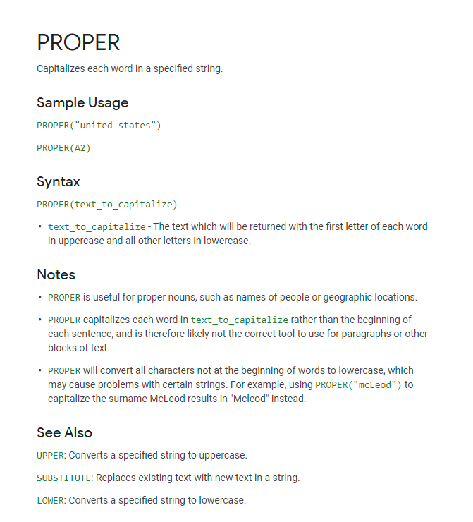

 |  |  |  |  |  |  | Additional Skills: CONCATENATE Function
 |  |  |  |  |  |  | The CONCATENATE() function serves largely the same purpose as join but allows for more flexibility in adding unique characters between strings

 |  |  |  |  |  |  | One-dimensional array in a row |  |  |  | Result | Formula
 |  |  |  |  |  |  | D | O | C | S | #VALUE! | #NAME?
 |  |  |  |  |  |  | Separate | this | with | comma | Separate this with comma | #NAME?
 |  |  |  |  |  |  | Separate | this | with | spaces | Separate,this,with,spaces | #NAME?
 |  |  |  |  |  |  | One | Comma | Two | Spaces | One Comma, Two Spaces | #NAME?

Data Functions
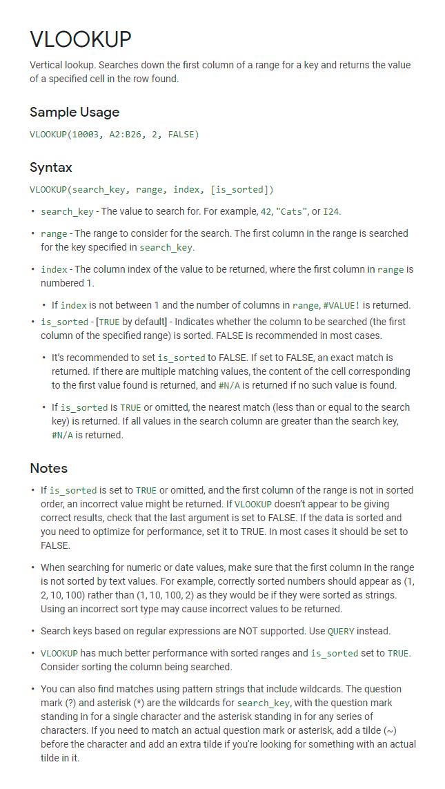
Unique Function |  |  |  | IF Function |  | VLOOKUP Function
https://support.google.com/docs/answer/3093198?hl=en |  |  |  | https://support.google.com/docs/answer/3093364?hl=en |  | https://support.google.com/docs/answer/3093318?hl=en
Guest Name | Address | Sent Invitation |  | Result | Formula | Student ID | Grade
Rob | New York | No |  | True_Value | =IF(1=1, "True_Value", "False_Value") | N444 | 90
David | New Jersey | No |  | Smaller | =IF(-1>0, "Greater", "Smaller") | N333 | 100
Jack | California | Yes |  | Equal | =IF("Google"="google", "Equal", "Unequal") | N222 | 85
Nancy | Florida | No |  | 0 | =IF(TRUE, , "False") | N111 | 80
Mary | New York | Yes |  | 0 | =IF(FALSE, "True", )
Rob | New York | No |  | Nested_Outcome | =IF( IF(1>0, TRUE, FALSE), "Nested_Outcome", IF(TRUE, "Reached", "Unreached") )
 |  |  |  |  |  | Student ID | Grade | Formula
 |  |  |  |  |  | N111 | 80 | #NAME?
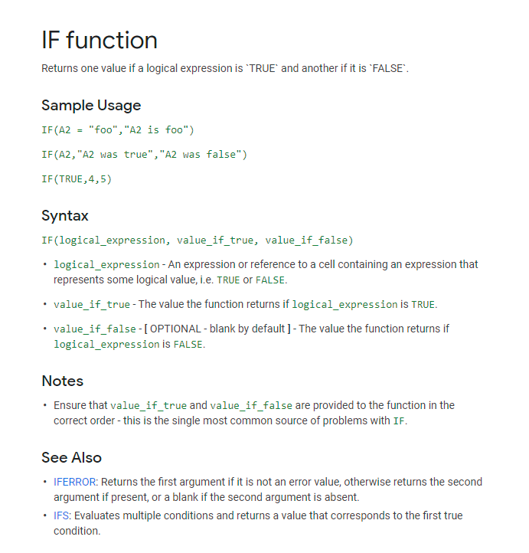
Unique Address | Formula |  |  |  |  | N222 | 85 | #NAME?
New York | =UNIQUE(B2:B7) |  |  |  |  | N333 | 100 | #NAME?
New Jersey |  |  |  |  |  | N444 | 90 | #NAME?
California
Florida
 |  |  |  |  |  | Lower bound | Upper bound | Tax Rate
 |  |  |  |  |  | $0 | $2,999.99 | 1.00%
Unique Rows |  |  | Formula |  |  | $3,000 | $5,999.99 | 2.00%
Rob | New York | No | =UNIQUE(A4:C9) |  |  | $6,000 | $9,999.99 | 3.00%
David | New Jersey | No |  |  |  | $10,000 | $13,999.99 | 4.00%
Jack | California | Yes |  |  |  | $14,000 |  | 5.00%
Nancy | Florida | No
Mary | New York | Yes
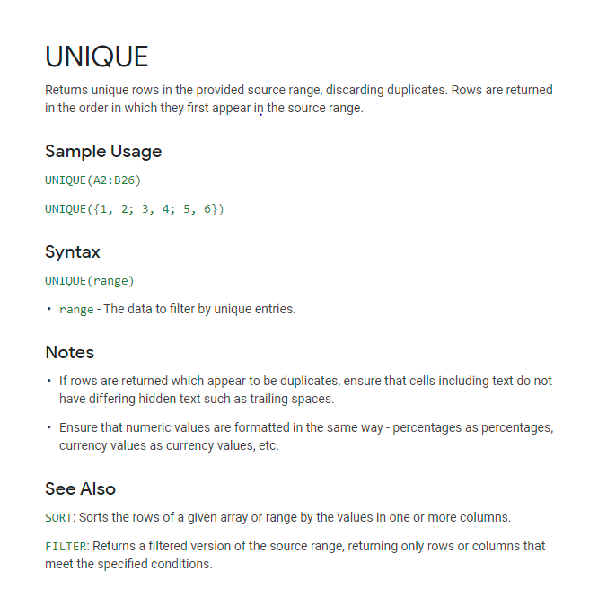
 |  |  |  |  |  | Title | Income | Tax Rate | Formula
 |  |  |  |  |  | Associate | $3,300 | 2.00% | #NAME?
 |  |  |  |  |  | Vice President | $6,500 | 3.00% | #NAME?
 |  |  |  |  |  | Director | $9,000 | 3.00% | #NAME?
 |  |  |  |  |  | Managing Director | $11,000 | 4.00% | #NAME?

Pivot Tables
Pivot Tables
https://support.google.com/docs/answer/1272900?co=GENIE.Platform%3DDesktop&hl=en


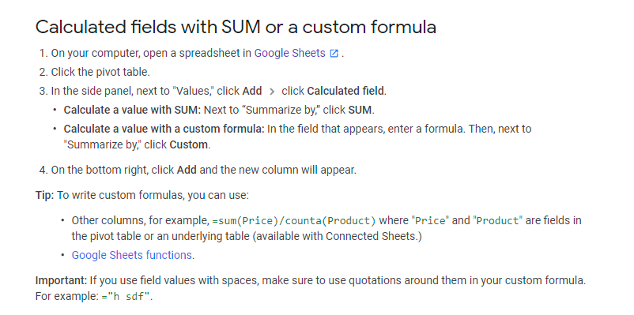

division | subdivision | product number | number of units | price per unit
east | 1 | $1 | 14 | $10
east | 2 | $1 | 15 | $11
west | 1 | $1 | 11 | $10
west | 2 | $1 | 21 | $9
east | 3 | $1 | 16 | $8
west | 3 | $1 | 18 | $12
east | 4 | $1 | 11 | $9
east | 1 | $2 | 10 | $9
east | 2 | $2 | 9 | $13
west | 1 | $2 | 12 | $10
west | 2 | $2 | 15 | $10
east | 3 | $2 | 12 | $9
west | 3 | 2 | 16 | $12
east | 4 | 2 | 12 | $9

division | subdivision | SUM of number of units | AVERAGE of price per unit
east | 1 | 24 | 9.5
 | 2 | 24 | 12
 | 3 | 28 | 8.5
 | 4 | 23 | 9
east Total |  | 99 | 9.75
west | 1 | 23 | 10
 | 2 | 36 | 9.5
 | 3 | 34 | 12
west Total |  | 93 | 10.5
Grand Total |  | 192 | 10.071428571

